Scatter Plot
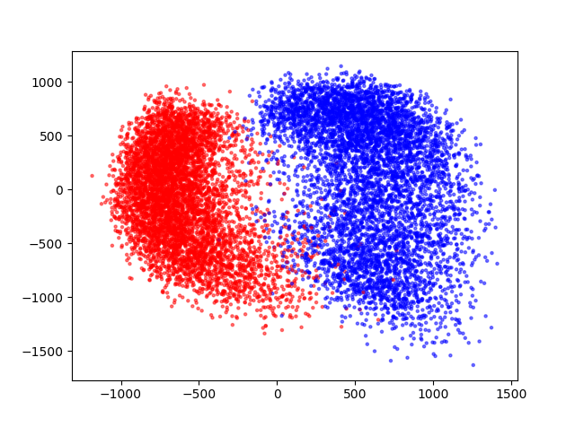
red is positive color
blue is negative color

